Guidance on ice terminology
 | POLARIS Ice Condition Reporting Log Book | 0

 | There are no user input fields on this page
Guidance on ice types and concentrations

Floe size & Ice types

The below represents standard WMO nomenclature for ice types which may be used to identify and classify ice. It is provided for information and to assist operators in determining ice types encountered.

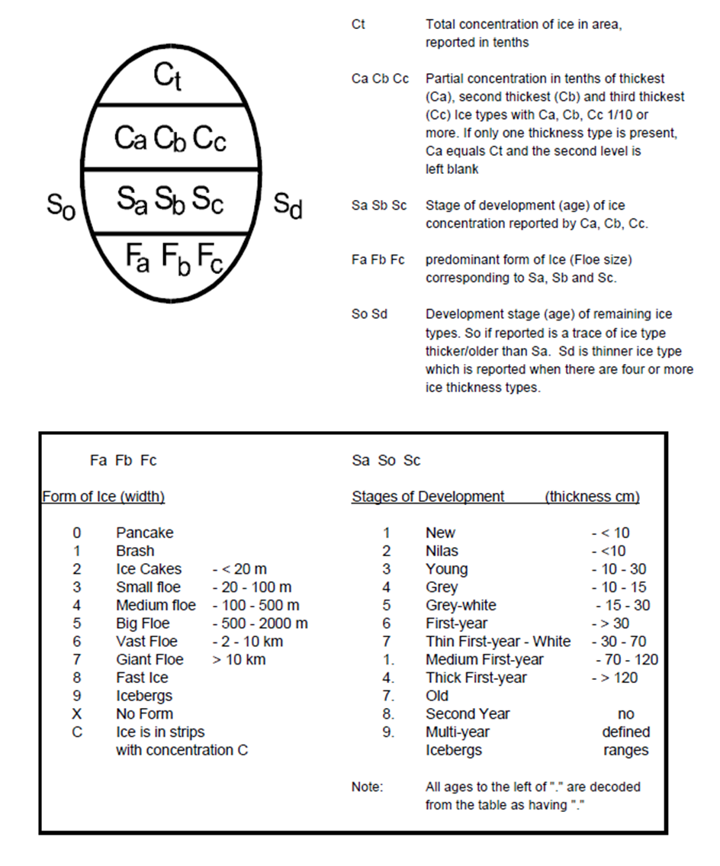

 | POLARIS Ice Condition Reporting Log Book | 0

 | There are no user input fields on this page
Representation of ice types on ice charts
In the POLARIS Log Book operators are requested to identify the types of ice the ship is sailing in. In addition to the standard WMO definitions on the previous page it is to be noted that for POLARIS reporting:

Medium first year ice has been sub-divided into two stages (1st and 2nd stage) based primarily on the ice thickness. If in doubt it is recommended that 2nd stage be selected.

Multi-year ice has been subdivided into light MY and heavy MY (or “ugly”) multiyear. Although not a WMO term, ugly Multi Year is often used by navigators to differentiate between multi-year ice and very tough old ice which poses additional hazards to ships.

Example ice regime with 10th concentration
The figures below show example ice regimes from a ship with associated example concentrations

 |  | 4/10ths thick first year ice, 1/10th multi year ice, 5/10ths open water

 |  | 3/10ths medium first year ice, 7/10ths open water

